Baseline Data
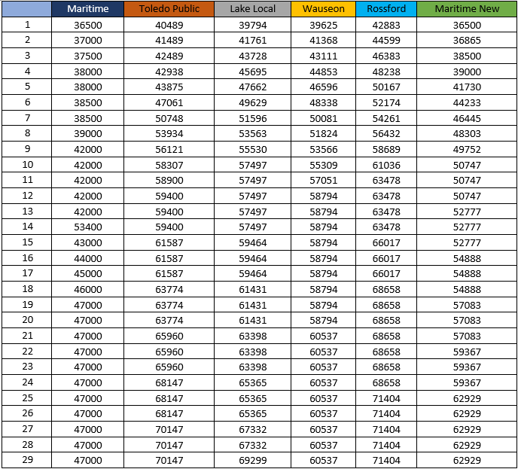
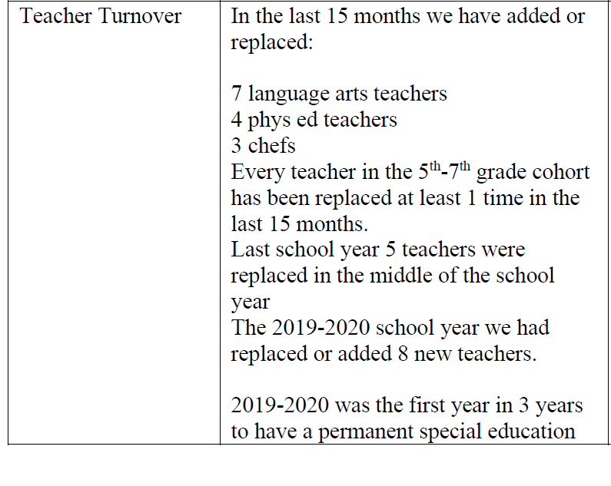
Projected Salary with Teacher Salary Schedule
Baseline Salary Budgetary without Benefits | $1,173,416.00
Retirement and Insurance Benefits | $417,846.00
Federal Programs
Revenues | $2,910,815.82
PPP | 438,743.97
Revenues-PPP | 2,472,071.85 | Data tabulated in October of 2019 spanning the period from July 2018-October 1st 2019.
Title 1 | 218,675.30
Title 2 | 27,133.66
Title 4 | 15,075.19
IDEA Part B | 92,766.47
Expanding Opportunities | 4,739.06
ESSER | 126,483.64
CRF | 14,817.14
Revenues- Federal Programs-PPP | 1,972,381.39
Foundation Payments | 2,100,405.60

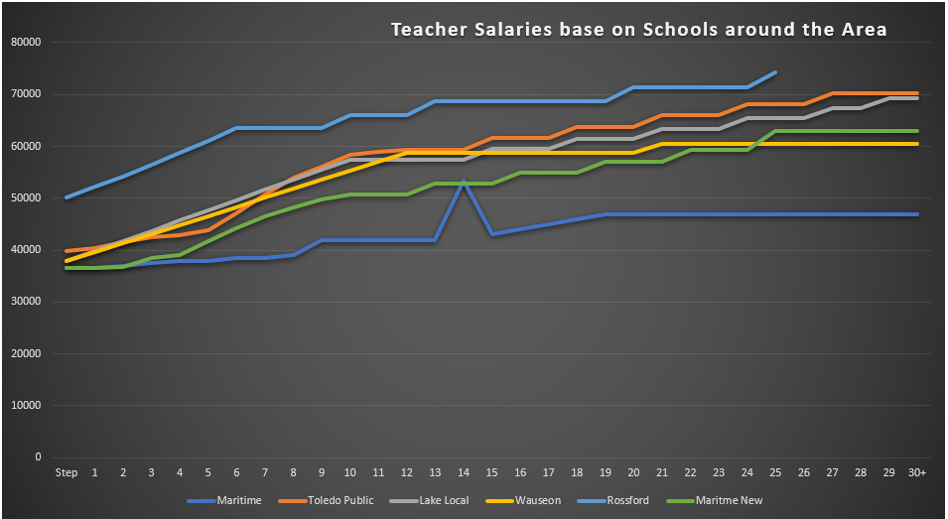
20 Academic Teachers

Maritime Parents First Program
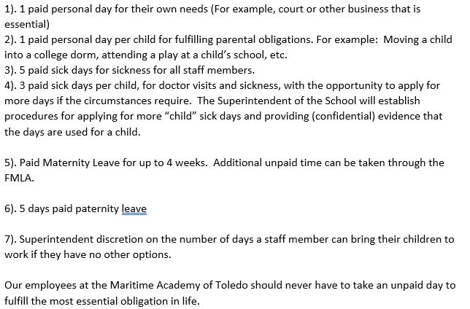
Parents First Program

